LONG METHOD
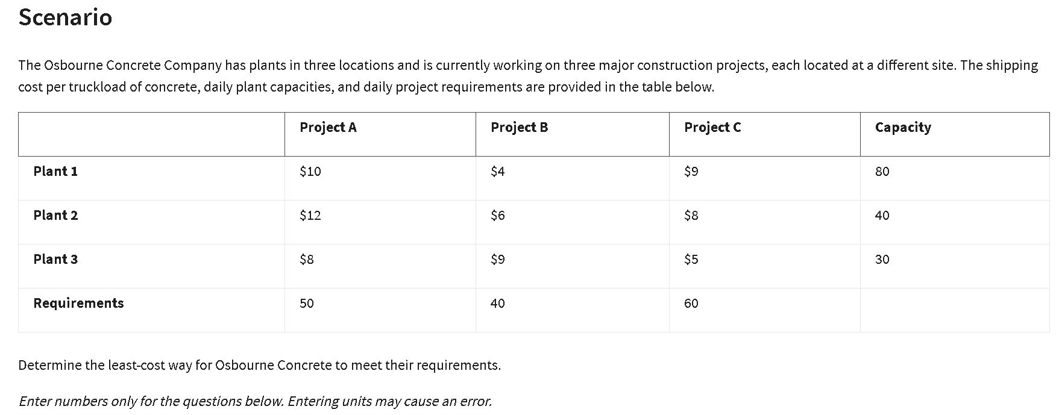
Plants | Projects | Unit costs | Truckloads
Plant 1 | Project A | $10 | 0
Plant 1 | Project B | $12 | 0
Plant 1 | Project C | $8 | 10
Plant 2 | Project A | $4 | 50
Plant 2 | Project B | $6 | 40
Plant 2 | Project C | $9 | 0
Plant 3 | Project A | $9 | 0
Plant 3 | Project B | $8 | 20
Plant 3 | Project C | $5 | 30

Supply constraints
Plants: | Outflow | Sign | Capacity | outflow formula
Plant 1 | 10 | <= | 80 | =SUMIF($A$3:$A$11,A15,D3:D11)
Plant 2 | 40 | <= | 40 | =SUMIF($A$3:$A$11,A16,D4:D12)
Plant 3 | 30 | <= | 30 | =SUMIF($A$3:$A$11,A17,D5:D13)

Demand constraints
Projects: | Inflow | Sign | Requirements
Project A | 50 | >= | 50
Project B | 40 | >= | 40
Project C | 60 | >= | 60

Objective (min) cost: | $830

